grafico Markov - MTTF
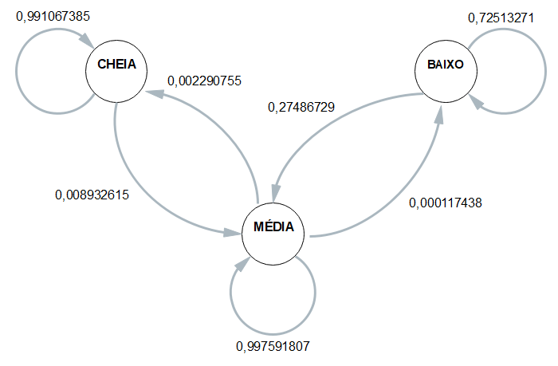
 | ESP1 | ESP2 | ESP3 | ESP4 | MÉDIA
CC | 0.99115044248 | 0.99122807018 | 0.99230769231 | 0.98958333333 | 0.99106738457
CM | 0.0088495575221 | 0.0087719298246 | 0.0076923076923 | 0.010416666667 | 0.0089326154264
CB | 0 | 0 | 0 | 0 | 0

MC | 0.0025146689019 | 0.0011652295502 | 0.0019894675249 | 0.0034936531967 | 0.0022907547934
MM | 0.99736558496 | 0.99871824749 | 0.99789350497 | 0.9963898917 | 0.99759180728
MB | 0.00011974613819 | 0.00011652295502 | 0.00011702750146 | 0.00011645510656 | 0.00011743792531

BC | 0 | 0 | 0 | 0 | 0
BM | 0.3772070626 | 0.15571776156 | 0.28541226216 | 0.28113207547 | 0.27486729045
BB | 0.6227929374 | 0.84428223844 | 0.71458773784 | 0.71886792453 | 0.72513270955

 | Esp1 | Esp2 | Esp3 | Esp4 |  | média
Hora Inicial | 9:46:12 | 9:52:21 | 9:59:39 | 10:06:11 |  | 9:56:06
Hora Limite 2,8 | 20:20:56 | 20:44:29 | 20:50:12 | 20:57:20 |  | 20:43:14
Hora final | 21:07:39 | 21:15:18 | 21:25:41 | 21:37:05 | MTTF | 21:21:26
total de horas até 2,8 | 10:34:44 | 10:52:08 | 10:50:33 | 10:51:09 | 10:47:09 | 10:47:09

